maven-shade-plugin
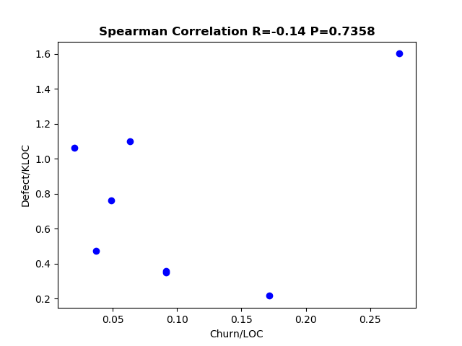
Versions | Defects | Start | End | Defect/KLOC | Churn | LOC | Churn/LOC
3.0.0 | 7 | 2016-01-06 | 2017-01-23 | 0.34829336252 | 1835 | 20098 | 0.091302617176
2.4.3 | 20 | 2015-10-24 | 2016-01-06 | 1.0622477162 | 376 | 18828 | 0.019970257064
2.4 | 4 | 2014-04-29 | 2015-06-06 | 0.21625128399 | 3178 | 18497 | 0.17181164513
2.3 | 13 | 2013-11-24 | 2014-04-29 | 0.7605007605 | 833 | 17094 | 0.048730548731
2.2 | 8 | 2013-05-15 | 2013-11-24 | 0.47418647383 | 623 | 16871 | 0.03692727165
2.1 | 6 | 2012-09-02 | 2013-05-15 | 0.35810205909 | 1532 | 16755 | 0.09143539242
1.4 | 14 | 2010-05-16 | 2010-08-08 | 1.0986423919 | 810 | 12743 | 0.063564309817
1.2.1 | 13 | 2008-09-29 | 2009-04-13 | 1.601774273 | 2214 | 8116 | 0.27279448004

deltaspike
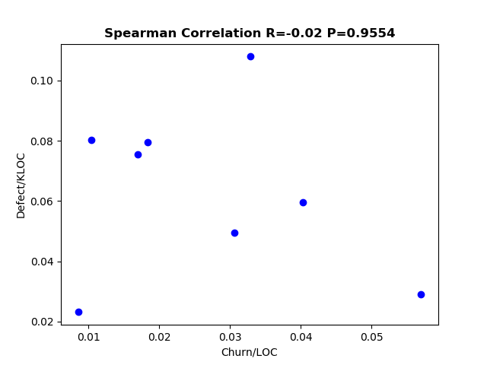
Versions | Defects | Start | End | Defect/KLOC | Churn | LOC | Churn/LOC
1.9.0 | 4 | 2018-05-15 | 2018-09-10 | 0.023143192719 | 1472 | 172837 | 0.0085166949206
1.8.2 | 5 | 2017-12-30 | 2018-05-15 | 0.0291626811 | 9770 | 171452 | 0.05698387887
1.8.1 | 10 | 2017-05-28 | 2017-12-30 | 0.059529124624 | 6762 | 167985 | 0.040253594071
1.8.0 | 18 | 2016-11-01 | 2017-05-28 | 0.10793955385 | 5481 | 166760 | 0.032867594147
1.7.2 | 13 | 2016-07-17 | 2016-11-01 | 0.079412591172 | 2996 | 163702 | 0.018301547935
1.7.1 | 13 | 2016-06-09 | 2016-07-17 | 0.080297471247 | 1690 | 161898 | 0.010438671262
1.7.0 | 8 | 2016-04-23 | 2016-06-09 | 0.049613326139 | 4941 | 161247 | 0.030642430557
1.6.1 | 12 | 2016-04-02 | 2016-04-23 | 0.075596265544 | 2690 | 158738 | 0.01694616286

commons-codec
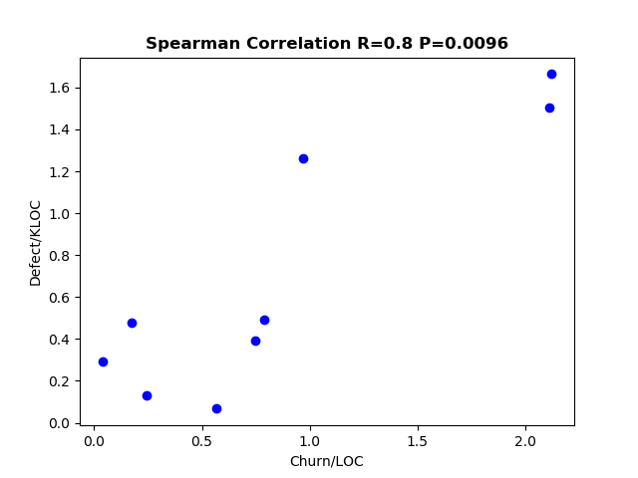
Versions | No. of defects | Start | end | Defect/KLOC | Churn | LOC | Churn/LOC
1.2 | 13 | 2003-04-29 | 2003-11-24 | 1.5039333642 | 18234 | 8644 | 2.109440074
1.3 | 20 | 2003-11-24 | 2007-07-28 | 1.6641704111 | 25495 | 12018 | 2.1214012315
1.4 | 23 | 2007-07-28 | 2009-08-06 | 1.2626955806 | 17676 | 18215 | 0.97040900357
1.5 | 11 | 2009-08-06 | 2011-03-29 | 0.48989044268 | 17713 | 22454 | 0.7888572192
1.6 | 10 | 2011-03-29 | 2012-03-05 | 0.39401103231 | 18970 | 25380 | 0.74743892829
1.7 | 2 | 2012-03-05 | 2012-09-14 | 0.067369555698 | 16805 | 29687 | 0.56607269175
1.8 | 4 | 2012-09-14 | 2013-04-28 | 0.13040359914 | 7512 | 30674 | 0.24489795918
1.9 | 9 | 2013-04-28 | 2013-12-24 | 0.29045375331 | 1165 | 30986 | 0.037597624734
1.10 | 16 | 2013-12-24 | 2014-11-09 | 0.4776119403 | 5834 | 33500 | 0.17414925373

commons-configuration
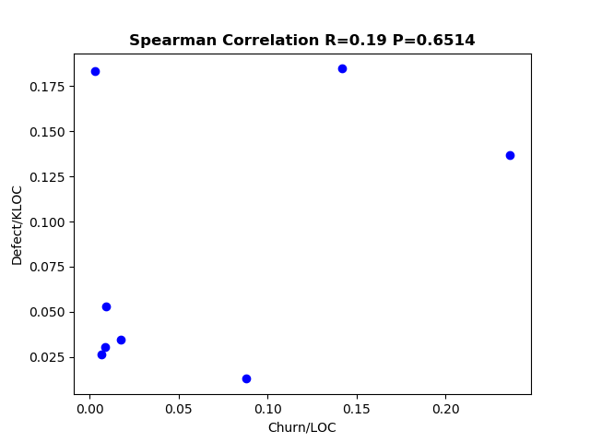
Versions | Defect | Start | End | Defect/KLOC | Churn | LOC | Churn/LOC
1.7 | 19 | 2008-12-25 | 2011-09-08 | 0.13655114919 | 32894 | 139142 | 0.23640597375
1.8 | 26 | 2011-09-08 | 2012-06-19 | 0.18460664584 | 19963 | 140840 | 0.14174240273
1.9 | 26 | 2012-06-19 | 2012-08-22 | 0.18334391087 | 398 | 141810 | 0.002806572174
2.1 | 12 | 2016-03-24 | 2016-08-20 | 0.053249790329 | 2104 | 225353 | 0.0093364632377
2.1.1 | 6 | 2016-08-20 | 2017-02-08 | 0.026454209967 | 1457 | 226807 | 0.006423963987
2.2 | 8 | 2017-02-08 | 2017-10-12 | 0.034832130899 | 3974 | 229673 | 0.017302861024
2.3 | 7 | 2017-10-12 | 2018-08-08 | 0.030373639152 | 1998 | 230463 | 0.0086695044324
2.4 | 3 | 2018-08-08 | 2018-10-29 | 0.012956220929 | 20427 | 231549 | 0.088218908309

doxia
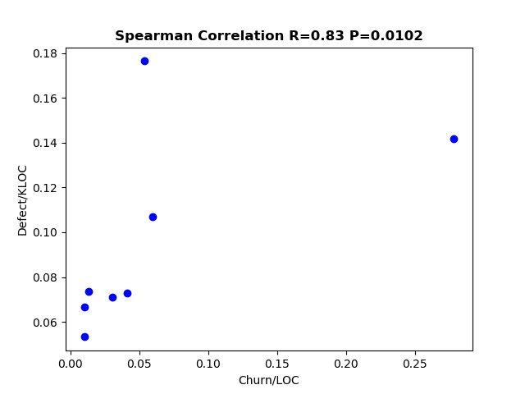
Versions | Defects | Start | End | LOC | Defect/KLOC | Churn | Churn/LOC
1.1.4 | 6 | 2010-05-24 | 2010-11-16 | 90176 | 0.066536550745 | 914 | 0.010135734564
1.2 | 16 | 2010-11-16 | 2011-04-26 | 90688 | 0.17642907551 | 4901 | 0.054042431193
1.3 | 13 | 2011-04-26 | 2012-04-10 | 91619 | 0.14189196564 | 25516 | 0.27850118425
1.4 | 10 | 2012-04-10 | 2013-04-23 | 93646 | 0.10678512697 | 5587 | 0.059660850437
1.5 | 5 | 2013-04-23 | 2013-11-14 | 93793 | 0.053308882326 | 965 | 0.010288614289
1.6 | 7 | 2013-11-14 | 2014-06-27 | 95118 | 0.073592800521 | 1280 | 0.013456969238
1.7 | 12 | 2014-06-27 | 2016-02-05 | 168658 | 0.071149900983 | 5158 | 0.030582599106
1.8 | 12 | 2016-02-05 | 2017-12-09 | 164971 | 0.072740057343 | 6853 | 0.041540634415

